Analysis
 |  |  |  |  |  |  |  |  | Total Profit | Total earnings | Total Production budget | Distinct Count of name | Average of rotten_tomatoes_score | Average of metacritic_score | Average of imdb_score | Average of Profitability ROI
 |  |  |  |  |  |  |  |  | $12.57 B | $17.04 B | $4.47 B | 95 | 88.4 | 78.14 | 7.54 | 318.23%

film | status | Count of status
A Bug's Life | Award not yet introduced | 1
 | Ineligible | 1
 | Nominated | 1
Brave | Ineligible | 1
 | Won | 1
Cars | Ineligible | 1
 | Nominated | 2
Cars 2 | Ineligible | 1
Cars 3 | Ineligible | 1
Coco | Ineligible | 1
 | Won | 2
Elemental | Ineligible | 1
 | Nominated | 1
Finding Dory | Ineligible | 1
Finding Nemo | Ineligible | 1
 | Nominated | 3
 | Won | 1
Incredibles 2 | Ineligible | 1
 | Nominated | 1
Inside Out | Ineligible | 1
 | Nominated | 1
 | Won | 1
Inside Out 2 | Ineligible | 1
 | Nominated | 1
Lightyear | Ineligible | 1
Luca | Ineligible | 1
 | Nominated | 1
Monsters University | Ineligible | 1
Monsters, Inc. | Ineligible | 1
 | Nominated | 3
 | Won | 1
Onward | Ineligible | 1
 | Nominated | 1
Ratatouille | Ineligible | 1
 | Nominated | 4
 | Won | 1
Soul | Ineligible | 1
 | Nominated | 2
 | Won | 2
The Good Dinosaur | Ineligible | 1
The Incredibles | Ineligible | 1
 | Nominated | 2
 | Won | 2
Toy Story | Award not yet introduced | 1
 | Ineligible | 1
 | Nominated | 3
 | Won Special Achievement | 1
Toy Story 2 | Award not yet introduced | 1
 | Ineligible | 1
 | Nominated | 1
Toy Story 3 | Ineligible | 1
 | Nominated | 3
 | Won | 2
Toy Story 4 | Ineligible | 1
 | Nominated | 1
 | Won | 1
Turning Red | Ineligible | 1
 | Nominated | 1
Up | Ineligible | 1
 | Nominated | 3
 | Won | 2
WALL-E | Ineligible | 1
 | Nominated | 5
 | Won | 1
Grand Total |  | 89

status | Count of status
Award not yet introduced | 3
Ineligible | 28
Nominated | 40
Won | 17
Won Special Achievement | 1
Grand Total | 89

award_type | status | Count of status
Adapted Screenplay | Ineligible | 18
 | Nominated | 1
Animated Feature | Award not yet introduced | 3
 | Nominated | 8
 | Won | 11
Best Picture | Nominated | 2
Original Score | Nominated | 6
 | Won | 2
Original Screenplay | Ineligible | 10
 | Nominated | 7
Original Song | Nominated | 5
 | Won | 3
Other | Won Special Achievement | 1
Sound Editing | Nominated | 7
 | Won | 1
Sound Mixing | Nominated | 4
Grand Total |  | 89

status | Count of film |  | status | Count of film | Count of film
Award not yet introduced | 3 |  | Award not yet introduced | 3 | 3
Ineligible | 28 |  | Ineligible | 28 | 28
Nominated | 40 |  | Nominated | 40 | 40
Won | 17 |  | Won | 17 | 17
Won Special Achievement | 1 |  | Won Special Achievement | 1 | 1
Grand Total | 89

ROI Category | Count of film |  | ROI Category | Count of ROI Category | Count of ROI Category
Blockbuster | 5 |  | Blockbuster | 5 | 5
Super Hit | 9 |  | Super Hit | 9 | 9
Hit | 8 |  | Hit | 8 | 8
Moderate Success | 1 |  | Moderate Success | 1 | 1
Low Profit | 1 |  | Low Profit | 1 | 1
Flop | 4 |  | Flop | 4 | 4
Grand Total | 28

film | Sum of Profit
Monsters University | $543.56 M
Up | $560.10 M
Coco | $639.64 M
Inside Out | $682.61 M
Finding Nemo | $777.01 M
Finding Dory | $828.57 M
Toy Story 3 | $866.97 M
Toy Story 4 | $873.39 M
Incredibles 2 | $1.04 B
Inside Out 2 | $1.50 B
Grand Total | $8.31 B

film | Net Profit
Toy Story | $2,526,159,158.00
Inside Out | $2,180,642,139.00
Incredibles | $1,042,805,359.00
Cars | $910,766,201.00
Finding Dory | $828,570,889.00
Grand Total | $7,488,943,746.00

category | value | Count of value
Genre | Action | 5
 | Adventure | 28
 | Animation | 28
 | Comedy | 21
 | Drama | 1
 | Family | 1
Subgenre | Adventure Epic | 1
 | Animal Adventure | 5
 | Artificial Intelligence | 1
 | Buddy Comedy | 4
 | Car Action | 2
 | Coming-of-Age | 6
 | Computer Animation | 28
 | Crime | 1
 | Dinosaur Adventure | 1
 | Dystopian Sci-Fi | 1
 | Fairy Tale | 2
 | Fantasy | 14
 | Fantasy Epic | 1
 | Globetrotting Adventure | 1
 | Motorsport | 3
 | Music | 3
 | Mystery | 1
 | Quest | 6
 | Road Trip | 1
 | Romance | 1
 | Sci-Fi | 3
 | Sea Adventure | 3
 | Space Sci-Fi | 2
 | Sport | 3
 | Spy | 1
 | Superhero | 3
 | Supernatural Fantasy | 7
 | Sword & Sorcery | 2
 | Teen Adventure | 1
 | Teen Comedy | 2
 | Teen Drama | 1
 | Time Travel | 1
 | Urban Adventure | 8
Grand Total |  | 204

film_rating | Count of film_rating
G | 13
PG | 15
Grand Total | 28

Rotten tomato category | Count of film | Rotten tomato category | Count of film | Count of film
Certified fresh | 24 | Certified fresh | 24 | 24
Fresh | 3 | Fresh | 3 | 3
Rotten | 1 | Rotten | 1 | 1
Grand Total | 28

Metacritic category | Count of film | Metacritic category | Count of film | Count of film
Universal acclaim | 13 | Universal acclaim | 13 | 13
Generally favorable reviews | 11 | Generally favorable reviews | 11 | 11
Average reviews | 4 | Average reviews | 4 | 4
Grand Total | 28

Imdb category | Count of film | Imdb category | Count of film | Count of film
Excellent | 9 | Excellent | 9 | 9
Very good | 15 | Very good | 15 | 15
Good | 4 | Good | 4 | 4
Grand Total | 28

film | Sum of rotten_tomatoes_score |  |  | film | Sum of rotten_tomatoes_score | Sum of rotten_tomatoes_counts
Monsters, Inc. | 96 |  |  | A Bug's Life | 92 | 91
The Incredibles | 97 |  |  | Brave | 79 | 256
Coco | 97 |  |  | Cars | 75 | 204
Toy Story 4 | 97 |  |  | Cars 2 | 40 | 220
Inside Out | 98 |  |  | Cars 3 | 69 | 234
Toy Story 3 | 98 |  |  | Coco | 97 | 357
Up | 98 |  |  | Elemental | 73 | 262
Finding Nemo | 99 |  |  | Finding Dory | 94 | 339
Toy Story | 100 |  |  | Finding Nemo | 99 | 270
Toy Story 2 | 100 |  |  | Incredibles 2 | 93 | 390
Grand Total | 980 |  |  | Inside Out | 98 | 387
 |  |  |  | Inside Out 2 | 90 | 313
cinema_score | Count of film |  |  | Lightyear | 74 | 319
A- | 3 |  |  | Luca | 91 | 303
A | 15 |  |  | Monsters University | 80 | 203
A+ | 7 |  |  | Monsters, Inc. | 96 | 199
NA | 3 |  |  | Onward | 88 | 350
Grand Total | 28 |  |  | Ratatouille | 96 | 253 | film | Sum of Profit
 |  |  |  | Soul | 95 | 360 | Lightyear | $26,425,420.00
film | Sum of Profit |  |  | The Good Dinosaur | 75 | 220 | Luca | -$68,887,686.00
Lightyear | $26,425,420.00 |  |  | The Incredibles | 97 | 250 | Onward | -$33,059,958.00
Luca | -$68,887,686.00 |  |  | Toy Story | 100 | 96 | Soul | -$28,096,115.00
Onward | -$33,059,958.00 |  |  | Toy Story 2 | 100 | 172 | Turning Red | -$153,186,642.00
Soul | -$28,096,115.00 |  |  | Toy Story 3 | 98 | 313
Turning Red | -$153,186,642.00 |  |  | Toy Story 4 | 97 | 459
Grand Total | -$256,804,981.00 |  |  | Turning Red | 95 | 289
 |  |  |  | Up | 98 | 297
 |  |  |  | WALL-E | 95 | 261

film | Sum of imdb_score
Soul | 8
Ratatouille | 8.1
Inside Out | 8.1
Monsters, Inc. | 8.1
Finding Nemo | 8.2
Toy Story 3 | 8.3
Up | 8.3
Toy Story | 8.3
Coco | 8.4
WALL-E | 8.4
Grand Total | 82.2

film | Sum of metacritic_score
Toy Story 4 | 84
Up | 88
Toy Story 2 | 88
Finding Nemo | 90
The Incredibles | 90
Toy Story 3 | 92
Inside Out | 94
Toy Story | 95
WALL-E | 95
Ratatouille | 96
Grand Total | 912

release_date (Year) | Sum of Profit
1995 | $364,436,586.00
1998 | $243,258,859.00
1999 | $421,358,276.00
2001 | $413,773,250.00
2003 | $777,014,978.00
2004 | $539,442,092.00
2006 | $341,983,149.00
2007 | $473,726,085.00
2008 | $341,311,860.00
2009 | $560,099,082.00
2010 | $866,969,703.00
2011 | $359,852,396.00
2012 | $353,983,207.00
2013 | $543,559,607.00
2015 | $839,818,845.00
2016 | $828,570,889.00
2017 | $848,571,828.00
2018 | $1,042,805,359.00
2019 | $873,394,593.00
2020 | $61,156,073.00
2021 | $68,887,686.00
2022 | $126,761,222.00
2023 | $296,444,308.00
2024 | $1,498,030,965.00
Grand Total | $12,571,600,936.00

film | Sum of budget | Sum of box_office_worldwide |  | film | Sum of budget | Sum of box_office_worldwide
Coco | $175.00 M | $814.64 M |  | Coco | $175,000,000.00 | $814,641,172.00
Finding Dory | $200.00 M | $1.03 B |  | Finding Dory | $200,000,000.00 | $1,028,570,889.00
Finding Nemo | $94.00 M | $871.01 M |  | Finding Nemo | $94,000,000.00 | $871,014,978.00
Incredibles 2 | $200.00 M | $1.24 B |  | Incredibles 2 | $200,000,000.00 | $1,242,805,359.00
Inside Out | $175.00 M | $857.61 M |  | Inside Out | $175,000,000.00 | $857,611,174.00
Inside Out 2 | $200.00 M | $1.70 B |  | Inside Out 2 | $200,000,000.00 | $1,698,030,965.00
Monsters University | $200.00 M | $743.56 M |  | Monsters University | $200,000,000.00 | $743,559,607.00
Toy Story 3 | $200.00 M | $1.07 B |  | Toy Story 3 | $200,000,000.00 | $1,066,969,703.00
Toy Story 4 | $200.00 M | $1.07 B |  | Toy Story 4 | $200,000,000.00 | $1,073,394,593.00
Up | $175.00 M | $735.10 M |  | Up | $175,000,000.00 | $735,099,082.00
A Bug's Life | $120.00 M | $363.26 M |  | A Bug's Life | $120,000,000.00 | $363,258,859.00
Brave | $185.00 M | $538.98 M |  | Brave | $185,000,000.00 | $538,983,207.00
Cars | $120.00 M | $461.98 M |  | Cars | $120,000,000.00 | $461,983,149.00
Cars 2 | $200.00 M | $559.85 M |  | Cars 2 | $200,000,000.00 | $559,852,396.00
Cars 3 | $175.00 M | $383.93 M |  | Cars 3 | $175,000,000.00 | $383,930,656.00
Elemental | $200.00 M | $496.44 M |  | Elemental | $200,000,000.00 | $496,444,308.00
Lightyear | $200.00 M | $226.43 M |  | Lightyear | $200,000,000.00 | $226,425,420.00
Luca | $120.00 M | $51.11 M |  | Luca | $120,000,000.00 | $51,112,314.00
Monsters, Inc. | $115.00 M | $528.77 M |  | Monsters, Inc. | $115,000,000.00 | $528,773,250.00
Onward | $175.00 M | $141.94 M |  | Onward | $175,000,000.00 | $141,940,042.00
Ratatouille | $150.00 M | $623.73 M |  | Ratatouille | $150,000,000.00 | $623,726,085.00
Soul | $150.00 M | $121.90 M |  | Soul | $150,000,000.00 | $121,903,885.00
The Good Dinosaur | $175.00 M | $332.21 M |  | The Good Dinosaur | $175,000,000.00 | $332,207,671.00
The Incredibles | $92.00 M | $631.44 M |  | The Incredibles | $92,000,000.00 | $631,442,092.00
Toy Story | $30.00 M | $394.44 M |  | Toy Story | $30,000,000.00 | $394,436,586.00
Toy Story 2 | $90.00 M | $511.36 M |  | Toy Story 2 | $90,000,000.00 | $511,358,276.00
Turning Red | $175.00 M | $21.81 M |  | Turning Red | $175,000,000.00 | $21,813,358.00
WALL-E | $180.00 M | $521.31 M |  | WALL-E | $180,000,000.00 | $521,311,860.00
Grand Total | $4.47 B | $17.04 B

film | Sum of budget
Cars 2 | $200,000,000.00
Elemental | $200,000,000.00
Finding Dory | $200,000,000.00
Incredibles 2 | $200,000,000.00
Inside Out 2 | $200,000,000.00
Grand Total | $1,000,000,000.00

film | Sum of box_office_worldwide
Finding Dory | $1,028,570,889.00
Toy Story 3 | $1,066,969,703.00
Toy Story 4 | $1,073,394,593.00
Incredibles 2 | $1,242,805,359.00
Inside Out 2 | $1,698,030,965.00
Grand Total | $6,109,771,509.00

cinema_score | Count of film
A- | 3
A | 15
A+ | 7

film_rating | Sum of Profit | Sum of budget | Sum of box_office_worldwide
G | $6.23 B | $1.87 B | $8.10 B
PG | $6.34 B | $2.60 B | $8.94 B
Grand Total | $12.57 B | $4.47 B | $17.04 B

 |  | $112.46 M

name | Count of role_type
Brad Bird | 9
Randy Newman | 9
Mark Andrews | 10
John Lasseter | 13
Pete Docter | 14
Andrew Stanton | 20
Grand Total | 75

Cover page
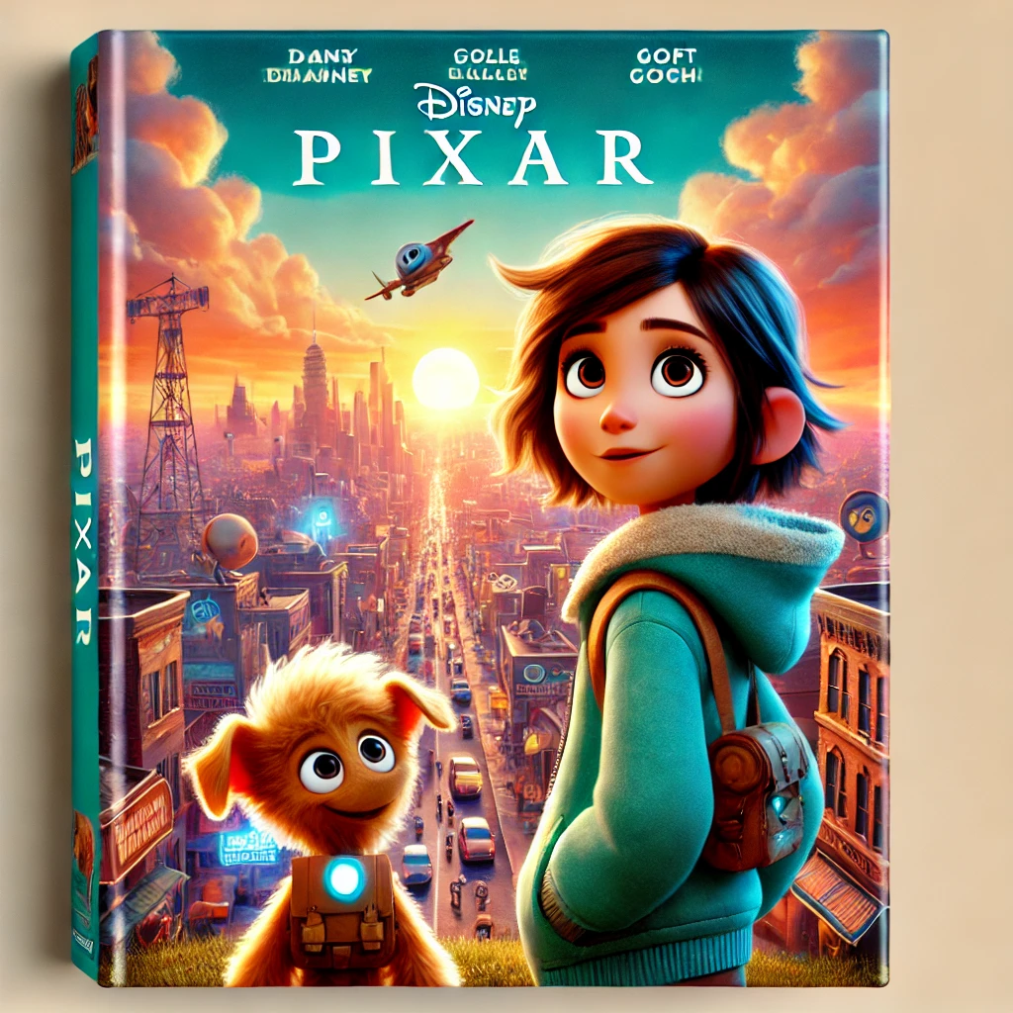
Explore Films

PIXAR FILMS

Dashboard
Welcome Back,Team !

Total number of films
Worldwide box office earning
Net Profit
28
$17.04 B
$12.57 B

Film rating
 | Total
G | 13
PG | 15
 | Total
G | 13
PG | 15
Number of films by ROI Category
 | Count of ROI Category | Count of ROI Category
Blockbuster | 5 | 5
Super Hit | 9 | 9
Hit | 8 | 8
Moderate Success | 1 | 1
Low Profit | 1 | 1
Flop | 4 | 4

Top 10 Profit performing films
 | Total
Monsters University | $543.56 M
Up | $560.10 M
Coco | $639.64 M
Inside Out | $682.61 M
Finding Nemo | $777.01 M
Finding Dory | $828.57 M
Toy Story 3 | $866.97 M
Toy Story 4 | $873.39 M
Incredibles 2 | $1.04 B
Inside Out 2 | $1.50 B

Dashbard 2
Welcome Back,Team !
YEAR

Total Production budget
Total number of people
Average Tomatoes critic score

$4.47 B
95
88.4

Status of film
 | Count of film | Count of film
Award not yet introduced | 3 | 3
Ineligible | 28 | 28
Nominated | 40 | 40
Won | 17 | 17
Won Special Achievement | 1 | 1
Number of films by rotten tomatoes category
 | Count of film | Count of film
Certified fresh | 24 | 24
Fresh | 3 | 3
Rotten | 1 | 1
Number of films by metacritic category
 | Count of film | Count of film
Universal acclaim | 13 | 13
Generally favorable reviews | 11 | 11
Average reviews | 4 | 4
Number of films by IMDB Category
 | Count of film | Count of film
Excellent | 9 | 9
Very good | 15 | 15
Good | 4 | 4

Profit generated by year
 | Total
1995 | $364,436,586.00
1998 | $243,258,859.00
1999 | $421,358,276.00
2001 | $413,773,250.00
2003 | $777,014,978.00
2004 | $539,442,092.00
2006 | $341,983,149.00
2007 | $473,726,085.00
2008 | $341,311,860.00
2009 | $560,099,082.00
2010 | $866,969,703.00
2011 | $359,852,396.00
2012 | $353,983,207.00
2013 | $543,559,607.00
2015 | $839,818,845.00
2016 | $828,570,889.00
2017 | $848,571,828.00
2018 | $1,042,805,359.00
2019 | $873,394,593.00
2020 | $61,156,073.00
2021 | $68,887,686.00
2022 | $126,761,222.00
2023 | $296,444,308.00
2024 | $1,498,030,965.00

Dashboard 3
Welcome Back,Team !

Average Metacritic critic score
Average ROI
Average IMDB critic score

78.14
318.23%
7.54

Number of film by cinema score
 | Count of film
A- | 3
A | 15
A+ | 7
Top 10 rotten tomatoes score
 | Total
Monsters, Inc. | 96
The Incredibles | 97
Coco | 97
Toy Story 4 | 97
Inside Out | 98
Toy Story 3 | 98
Up | 98
Finding Nemo | 99
Toy Story | 100
Toy Story 2 | 100

Top 10 IMDB Score
 | Total
Soul | 8
Ratatouille | 8.1
Inside Out | 8.1
Monsters, Inc. | 8.1
Finding Nemo | 8.2
Toy Story 3 | 8.3
Up | 8.3
Toy Story | 8.3
Coco | 8.4
WALL-E | 8.4
Top 10 Metacritic critic score
 | Total
Toy Story 4 | 84
Up | 88
Toy Story 2 | 88
Finding Nemo | 90
The Incredibles | 90
Toy Story 3 | 92
Inside Out | 94
Toy Story | 95
WALL-E | 95
Ratatouille | 96

Dashboard 4
Welcome Back,Team !

Top 5 individuals with the highest roles
 | Total
Brad Bird | 9
Randy Newman | 9
Mark Andrews | 10
John Lasseter | 13
Pete Docter | 14
Andrew Stanton | 20
Financial Performance of film rating
 | Sum of Profit | Sum of budget | Sum of box_office_worldwide
G | $6.23 B | $1.87 B | $8.10 B
PG | $6.34 B | $2.60 B | $8.94 B

KEY INSIGHTS

AWARDS AND RECOGNITION
1. The film with the highest nomination is WALL-E
2. The film that won the most awards are Coco,Up,Toy Story 3,Soul,The Incredibles.
3. Only Toy story 1 won with special achievement
4.There are more films rating with parental guidance compared General
5. Movies having run time of 70+ are called feature films and pixar film data has all of it's films as feature films

key insights
KEY INSIGHTS

REVENUE AND EARNINGS
1.Inside out 2 is the highest grossing profit performance film
2. Turning red is the lowest performance profit performing film
3.Using this ROI category,where:
Less than 0%-Flop
0% - 49%-Low Profit
50% - 99%Moderate Success
100% - 299%-Hit
300% - 499%-Super Hit
500% and above-Blockbuster
From the KPIs,we can see that the average ROI is 318.23% this indicates that the average films in pixar were highly profitable and the negative profits were balanced out because others had even higher returns.
4. The year 2024 recorded the highest profit in the pixar films.
5.There are more films rating with parental guidance compared to General amd films with parental guidance made more profits $112.46 M hIgher than those of general this could indicate that the PG films have bigger production budget compared to the G rating allowing for a better animation,quality and marketing campaigns which inturn brought in higher box office earning.
6. There was a negative decline in the profit earned in the year 2020,2021 and 2022.This could possibly be attributed to the coronavirus pandemic.But the year 2024 had the hghest profit earned in pixar films.
CRITICS
1. Using this Rotten tomatoes critic score rating scale,where:
0-59-Rotten
60-74-Fresh
75 above-Certified fresh
And since pixar film averaged 88.4,It shows that the movies gained strong approval in total.From the charts,we had only one rotten(that is only one movie received negative review) but majority received positive review ang gained strong approval.

Key insights 2
KEY INSIGHTS

2. Using this Metecritic critic score rating scale,where:
< 40-Unfavorable reviews
40-60-Good
61-80-Generally favorable reviews
81-100-Universal acclaim
Although the metacritic score of pixar films averaged 78.14,this shows that the movie received generally favorable reviews and from the charts it had more universal acclaimed movies.
3.Using this IMDB score rating scale,where:
6.0-6.9-Good
7.0-7.9-Very good
8.0-8.9-Excellent
>=9.0-Materpiece
The IMDB Score averaged 7.54 which indicates that pixar films are very good.
4. . Using this Cinema score rating scale,where:
A+-Exceptional audience response
A-Very positive audience response
A--Generally favorable but with some minor issues
Pixar films have more of its films on cinema score A ,meaning it has a high positive audience response,it has a high word of mouth and a long theatrcal run.
5.Toy story 1 and 2 had the highest rotten tomatoes score(that is,from both critic and audience)
6.Wall-E and Coco had the highest IMDB score(Based on user ratings)
7. Ratatouile has the highestt number of metacritic score(Based on only critics)
PEOPLE
Andrew Straton has the highest number of roles this shows how versatile and skillful he is,He is the most resourced individual in pixar films

Recommendation
RECOMMENDATIONS

1. Awards & Recognition
Leverage Award-Winning Films: Given that films like Coco, Up, Toy Story 3, Soul, and The Incredibles won the most awards, Pixar should analyze the factors contributing to their success (storytelling, animation quality, music, or themes) and apply these learnings to future productions.
Increase Nominations: Since WALL-E received the highest nominations, Pixar should focus on producing films that align with critical and industry preferences to increase future award recognition.
2. Revenue & Earnings
Invest in High-ROI Film Strategies: With an average ROI of 318.23%, Pixar films are highly profitable. However, Inside Out 2 performed exceptionally well, while Turning Red had the lowest profit. Analyzing the differences in marketing, production budget, and audience engagement can guide future film investments.
Focus on PG-Rated Films: PG-rated films outperformed G-rated ones by $112.46M, likely due to bigger budgets for animation, quality, and marketing. Investing more in PG-rated films may yield higher box office returns.
3. Critics & Audience Reception
Enhance Universal Appeal: With an average Rotten Tomatoes score of 88.4 and Metacritic score of 78.14, Pixar films are well-received. However, ensuring that future films maintain this standard by incorporating strong narratives, emotional depth, and high-quality animation is crucial.
Improve Underperforming Film Categories: The presence of one “Rotten” film suggests room for improvement. Conducting audience sentiment analysis can help identify common criticisms and address them in future projects.
Encourage Strong Word-of-Mouth Marketing: Since Pixar films score highly on CinemaScore ratings (mostly A), the company should capitalize on audience enthusiasm by promoting positive word-of-mouth and extended theatrical runs.
4. People & Talent Utilization
Maximize Talent Like Andrew Stanton: As the most versatile Pixar filmmaker, Andrew Stanton’s expertise should be leveraged in future productions. He can mentor new talent, oversee key projects, or lead experimental storytelling techniques.
Expand Director & Writer Diversity: While Stanton has played a key role, Pixar should also nurture and showcase new talent to ensure fresh perspectives and innovative storytelling in upcoming films.

